Ведомость превышений выноска
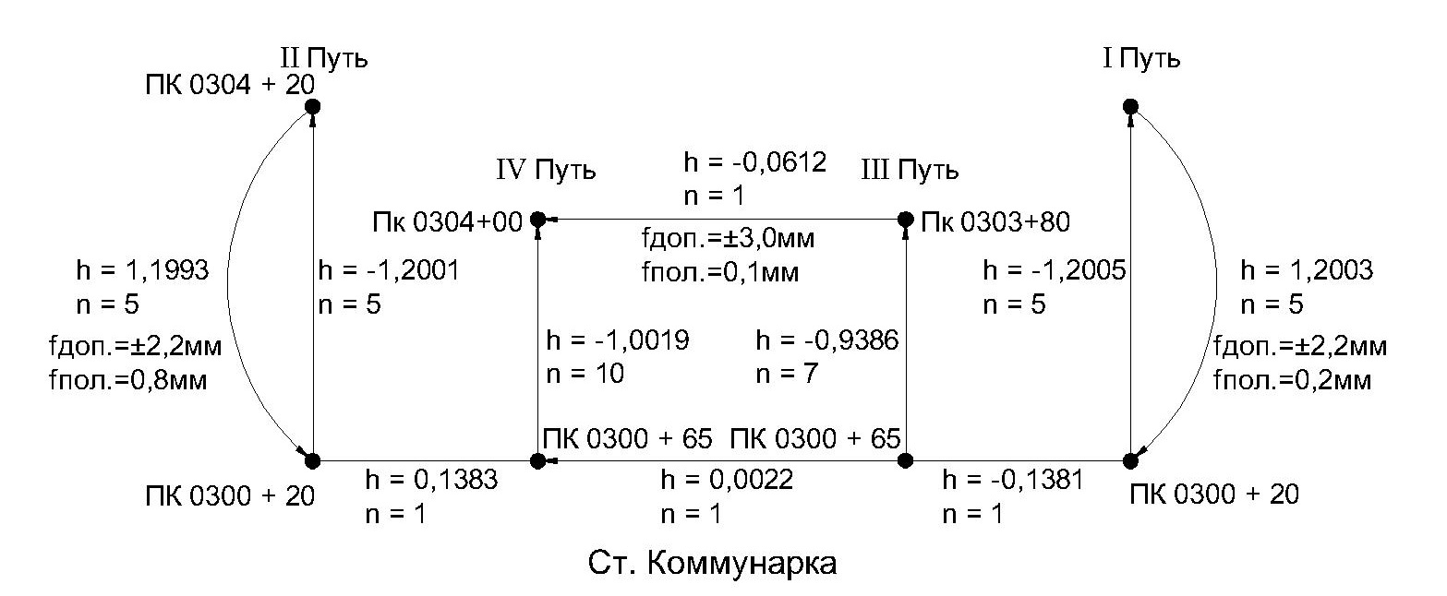
Ведомость превышений
ПЧ-1 |  | Коммунарка
 | I путь |  |  | II путь
N п/п | Пикетаж | h, м | N п/п | Пикетаж | h, м
Дата | 2023-03-22 |  | Дата | 2024-03-23
1 | 0300+20 |  | 1 | Rp 87775
2 | Rp 74034 | 13.1308 | 2 | 0300+20 | -10.2219
3 | Rp 87775 | -2.9067 | 3 | 0300+20 1й путь | -0.0025
Сумма |  | 10.2241 | Сумма |  | -10.2244

Выполнил инженер ОГ Сурков А.В.
 | Электронный полевой журнал сдал
 | Электронный полевой журнал принял

Ведомость превышений Тупики
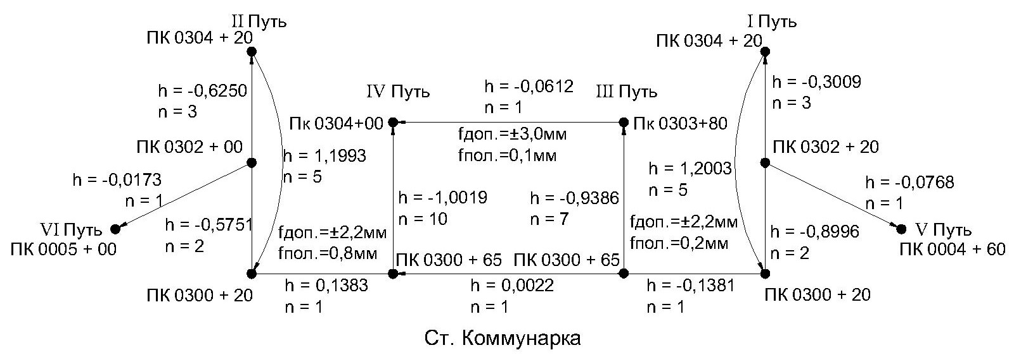
Ведомость превышений
ПЧ-1 |  | Коммунарка
 | I путь |  |  | II путь
N п/п | Пикетаж | h, м | N п/п | Пикетаж | h, м
Дата | 20.03.2024 |  | Дата | 21.03.2024
1 | 0304+20 |  | 1 | 0304+20
2 | 0304+00 | -0.0598 | 2 | 0304+00 | 0.063
3 | 0303+80 | -0.0647 | 3 | 0303+80 | 0.05974
4 | 0303+60 | -0.0595 | 4 | 0303+60 | 0.06034
5 | 0303+40 | -0.0594 | 5 | 0303+40 | 0.05942
6 | 0303+20 | -0.0576 | 6 | 0303+20 | 0.05966
7 | 0303+00 | -0.0595 | 7 | 0303+00 | 0.05752
8 | 0302+80 | -0.0558 | 8 | 0302+80 | 0.05918
9 | 0302+40 | -0.1266 | 9 | 0302+00 | 0.20616
10 | 0302+20 | -0.0595 | 10 | 0301+79,1 | 0.09423
11 | 0302+00 | -0.0594 | 11 | 0301+59,1 | 0.05817
12 | 0301+79,2 | -0.0573 | 12 | 0301+39,1 | 0.06177
13 | 0301+59,1 | -0.0596 | 13 | 0301+24,2 | 0.04772
14 | 0301+24 | -0.1069 | 14 | 0301+00 | 0.0723
15 | 301+00 | -0.0707 | 15 | 0300+82 | 0.04984
16 | 300+82 | -0.0498 | 16 | 0300+62,7 | 0.05993
17 | 300+20 | -0.1944 | 17 | 0300+20 | 0.1311
Сумма |  | -1.2005 | Сумма |  | 1.2001

 | III путь |  |  | IV путь
N п/п | Пикетаж | h, м | N п/п | Пикетаж | h, м
Дата | 2024-03-19 |  | Дата | 19.03.2024
1 | 0303+80 |  | 1 | 0304+00
2 | 0303+40 | 0.1210 | 2 | 0303+80 | 0.0616
3 | 0303+20 | 0.0586 | 3 | 0303+60 | 0.0603
4 | 0302+80 | 0.1160 | 4 | 0303+40 | 0.0586
5 | 0302+60 | 0.0622 | 5 | 0303+20 | 0.0605
6 | 0302+20 | 0.1228 | 6 | 0303+00 | 0.0580
7 | 0301+80 | 0.1193 | 7 | 0302+80 | 0.0575
8 | 0301+62.1 | 0.0552 | 8 | 0302+60 | 0.0614
9 | 0301+40 | 0.0593 | 9 | 0302+40 | 0.0616
10 | 0300+80 | 0.1766 | 10 | 0302+20 | 0.0612
11 | 0300+65 | 0.0476 | 11 | 0302+00 | 0.0596
Сумма |  | 0.9386 | 12 | 0301+80 | 0.0590
 |  |  | 13 | 0301+62 | 0.0542
 | V путь |  | 14 | 0301+20 | 0.1216
N п/п | Пикетаж | h, м | 15 | 0301+00 | 0.0566
Дата | 2024-03-20 |  | 16 | 0300+65 | 0.1103
1 | 0302+20 |  | Сумма |  | 1.0019
2 | 0005+13,9 | 0.0009
3 | 0005+00 | 0.0414 |  | VI путь
4 | 0004+60 | -0.1191 | N п/п | Пикетаж | h, м
Сумма |  | -0.0768 | Дата | 2024-03-21
 |  |  | 1 | 0302+00
 |  |  | 2 | 0005+41 | -0.0332
 |  |  | 3 | 0005+14.9 | 0.0775
 |  |  | 4 | 0005+04.9 | -0.0029
 |  |  | 5 | 0005+00 | -0.0241
 |  |  | Сумма |  | 0.0173

Выполнил инженер ОГ Сурков А.В.
 | Электронный полевой журнал сдал
 | Электронный полевой журнал принял

